TestSummary
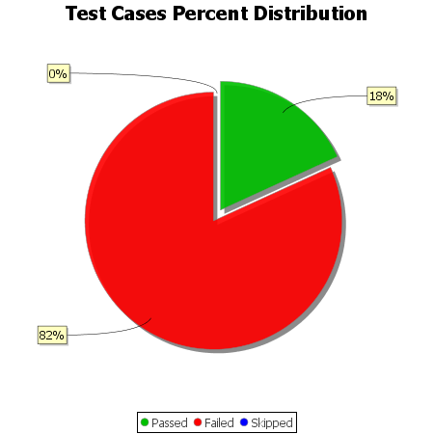
Total Test Cases | 11
Test Cases Passed | 2
Test Cases Failed | 9
Test Cases Skipped | 0

